Sheet1
س
brand | Average of Selling_Price | brand | Count of Mobile | mobiles | Sum of Discount_Percentage | colors | Count of Mobile | storage | Count of Mobile | memory | Count of Mobile | discount | Average of Rating | mobiles | Max of Selling_Price | mobiles | Max of Selling_Price | mobiles | Max of Discount
Apple | 110880.57143 | Apple | 21 | Apple iPhone 11 Pro | 217.27447956 | Silver | 6 | 64 | 4 | GB |  | 0 | 4.6 | Apple iPhone 11 Pro | 140300 | Apple iPhone 11 Pro | 140300 | Apple iPhone 11 Pro | 26601
Grand Total | 110880.57143 | Grand Total | 21 | Grand Total | 217.27447956 | Space Grey | 5 | 256 | 10 | 4 | 21 | 21400 | 4.6 | Grand Total | 140300 | Grand Total | 140300 | Grand Total | 26601
 |  |  |  |  |  | Gold | 5 | 512 | 7 | Grand Total | 21 | 26601 | 4.6
 |  |  |  |  |  | Midnight Green | 5 | Grand Total | 21 |  |  | Grand Total | 4.6
 |  |  |  |  |  | Grand Total | 21

Total of Mobiles
3115
Avg of Rating
4.05 ⭐
Avg of Discount
1896.8
Max Price
179900 💰
Min Price
1000

Mobile Sales & Insights
Dashboard
Filters
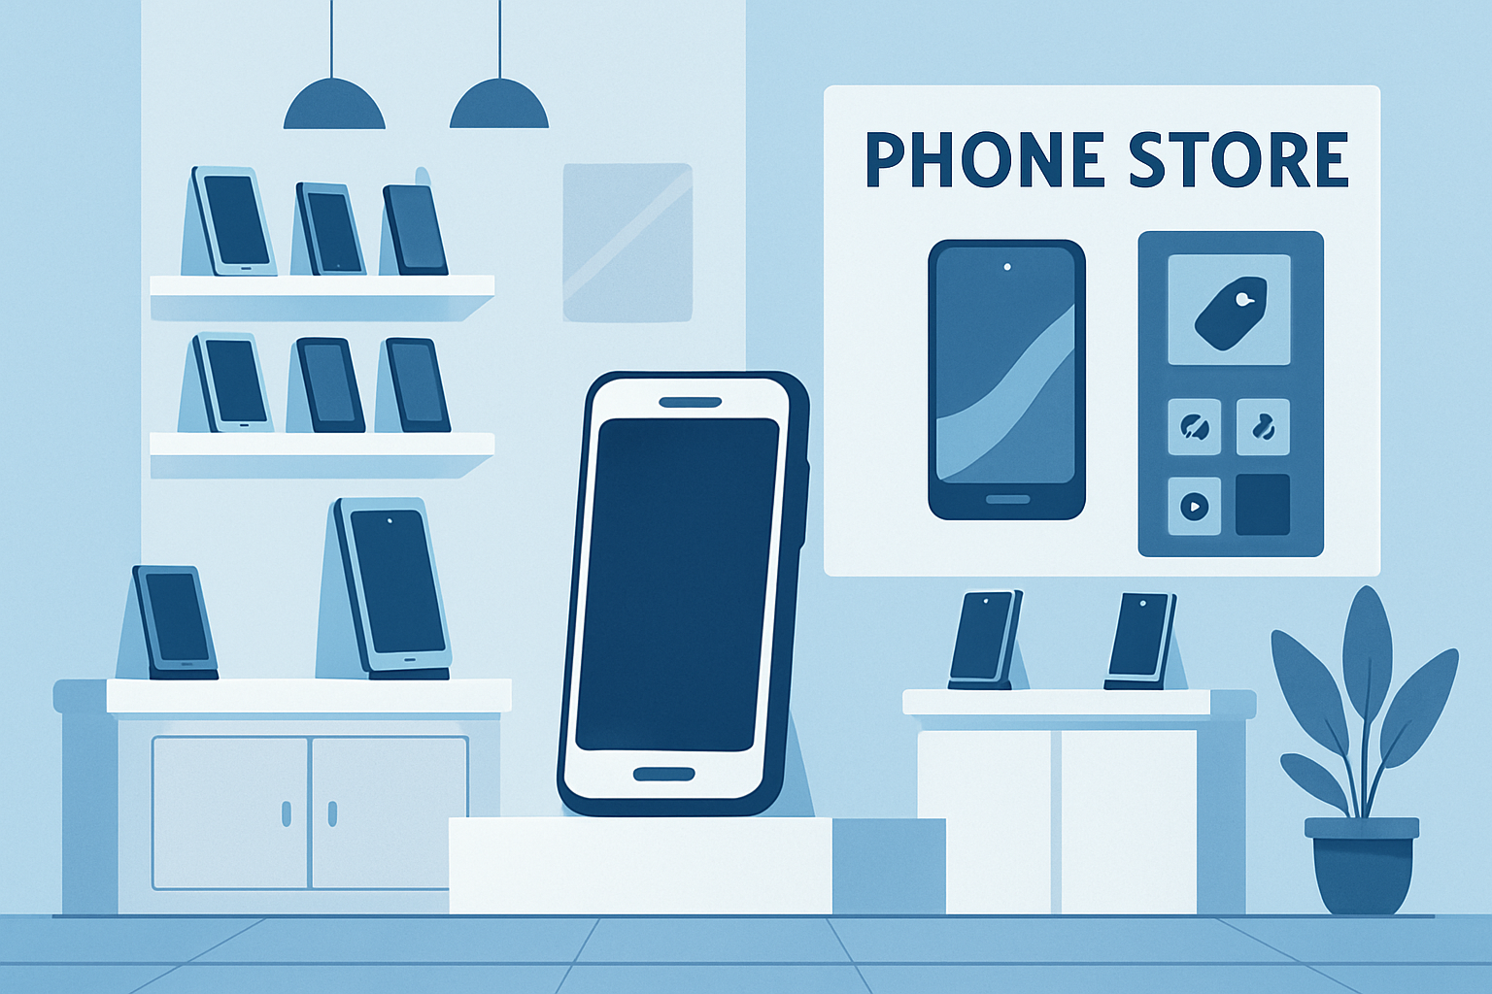

RAM Size Distribution
 | Total
4 | 21
Number of Models by Brand

Phones by Discount Percentage
Color Distribution

Storage Size Distribution
Avg Selling Price by Brand
Distribution Discount vs Avg Rating

Top 10 Most Expensive Phones
Top 5 Cheapest Phones
Top 10 Phones by Discount

